10 Codes
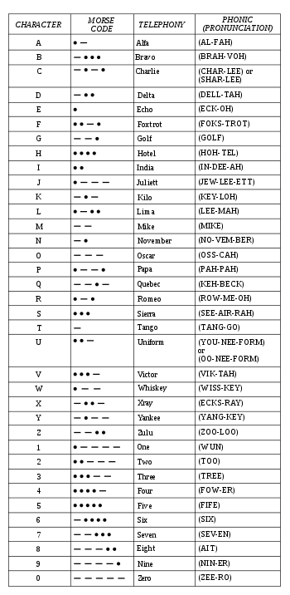
10-0 - Disappeared 10-1 - Frequency Change 10-3 - Stop Transmitting 10-4 - Affirmative 10-5 - Meal Break Burger Shots Etc. 10-6 - Busy 10-7 - Out of Service 10-8 - In Service 10-9 - Repeat 10-10 - Fight in Progress 10-11 - Traffic Stop 10-12 - Active Ride Along 10-13 - Shots Fired 10-15 - Subject in custody en route to Station 10-16 Stolen Vehicle 10-17 Suspicious Person 10-20 - Location 10-22 - Disregard 10-23 - Arrived on Scene 10-25 - Domestic Dispute 10-26 - ETA 10-27 - Driver’s License Check for Valid 10-28 - Vehicle License Plate Check 10-29 - NCIC Warrant Check 10-30 - Wanted Person 10-31 - Not Wanted No Warrants 10-32 - Request Backup (Code 1-2-3) 10-35 - Wrap The Scene Up 10-41 - Beginning Tour of Duty 10-42 - Ending Tour of Duty 10-43 - Information 10-49 - Homicide 10-50 - Vehicle Accident: PD: Property Damage Only, PI: Person/s Injured, F: Fatal 10-51 - Request Towing Service 10-52 - Request EMS 10-53 - Request Fire Department 10-55 - Intoxicated Driver 10-56 - Intoxicated Pedestrian 10-60 - Armed with a Gun 10-61 - Armed with a Knife 10-62 - Kidnapping 10-64 - Sexual Assault 10-65 - Escorting Prisoner 10-66 - Reckless Driver 10-67 - Fire 10-68 - Armed Robbery 10-70 - Foot Pursuit 10-71 - Request Supervisor at Scene 10-73 - Advise Status 10-80 - Vehicle Pursuit 10-90 - In Game Warning 10-93 - Removed From Game 10-97 - In Route 10-99 - Officer in Distress Extreme Emergency Only 11-44 - Person Deceased

